HRV
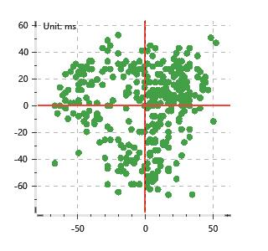
Data Info
 | Recording | 正式实验8
 | Subject | 姬生文
 | Create Time | 2023-11-23 09:59:39.872
 | Data Name | Chest1 ECG
 | Data Type | ECG
 | Sample Rate | 512
 | Segment | 前静息态
 | Start Time | 0:00:49
 | End Time | 0:05:49
 | Duration | 0:05:00

Replay Chart
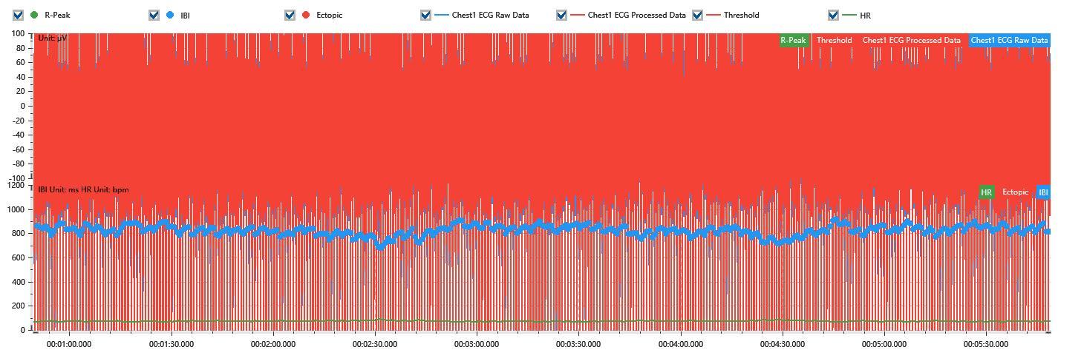

Process parameters
 | Filters
 | Wavlet filter | Enabled | 中
 | Amplitude normalization | Disabled | 中
 | High Pass filter | Enabled | 1μV
 | Band Stop filter | Enabled | 50μV
 | Low Pass filter | Enabled | 100μV
 | Interbeat Interval
 | R-Peak extraction | Maximum heart rate | 120bpm
 | R-Peak extraction | Threshold | 70%
 | Extopic detection | Percent | Disabled | 20%
 | Extopic detection | Median | Enabled | 4(samples)
 | Extopic correction | 中值 | 5(samples)

Time Domain
 | MeanIBI | MeanHR | SDNN | SDANN | RMSSD | SDSD | PNN50 | PNN20 | Data Length
 | 818.46ms | 73bpm | 41.51ms | 0ms | 27.34ms | 27.38ms | 6.32% | 48.63% | 365

Frequency Domain
 | Band | Range | Power | Power Percent | Power Normalized | Peak | Data Length
 | ULF | 0 - 0.0033Hz | 85.32ms² | 5.22% | 0 | 0Hz | 4
 | VLF | 0.0033 - 0.04Hz | 808.82ms² | 49.49% | 0 | 0Hz | 37
 | LF | 0.04 - 0.15Hz | 406.39ms² | 24.87% | 0.55 | 0.04Hz | 113
 | HF | 0.15 - 0.4Hz | 333.82ms² | 20.43% | 0.45 | 0.27Hz | 256

 | Total Power | 1634.35ms² | LF/HF | 1.22 | VLF/ULF | 0.11
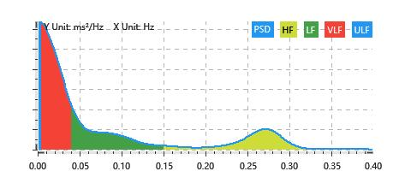

Nonlinear
 | Poincare | SD1 | 19.36ms | SD2 | 55.42ms
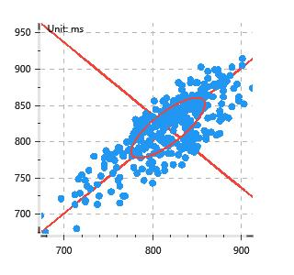

 | Scatter | A++ | 134 | B-- | 59

